Sheet1
 | ABS HEALTH FAUCETS
product name | code | IMAGES | PRICE ONLY HF (GUN) | PRICE (WHITE GUN,HOOK &1 MTR WHITE PVC TUBE)
PERRY NOZZLE | HF-001 | 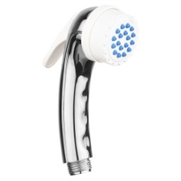 | 90
PERRY PLANE | HF-002 | 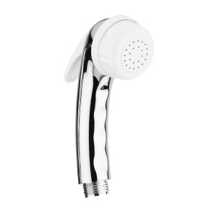 | 85
PERRY FULL CP | HF-003 | 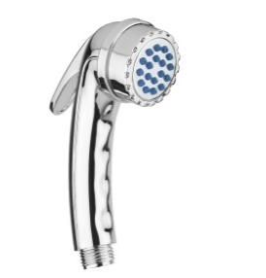 | 100
JACK FULL CP | HF-004 | 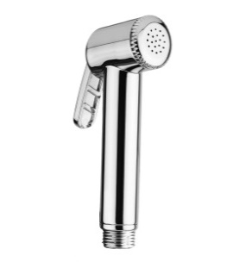 | 94
JACK IVORY CP | HF-005 | 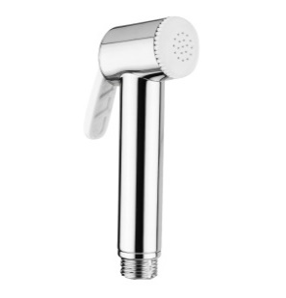 | 89
JACK NOZZLE | HF-006 | 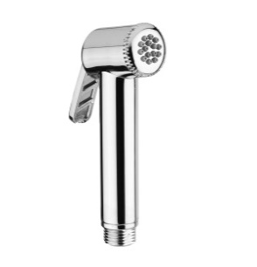 | 104
JACK WHITE | HF-007 | 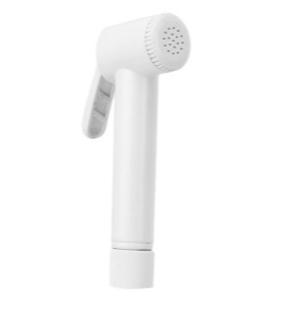 | 75 | 140
JACK WHITE NOZZLE | HF-008 |  | 85 | 150
JUMBO CP | HF-009 | 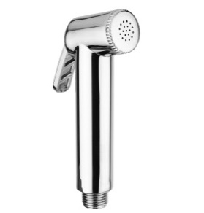 | 102
JUMBO NOZZLE | HF-010 | 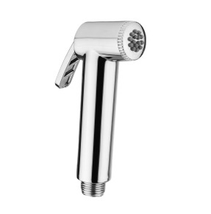 | 112
MILANO CP | HF-011 | 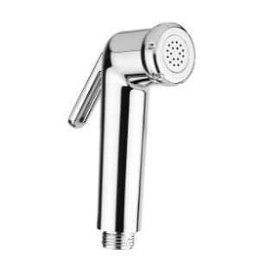 | 98
MILANO NOZZLE | HF-012 | 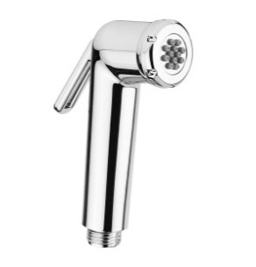 | 108
MILANO WHITE | HF-013 | 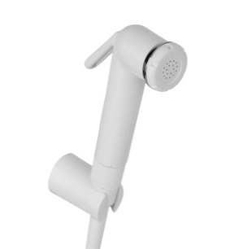 | 80 | 145
MILANO WHITE NOZZLE | HF-014 |  | 90 | 155
MILANO CP (HEX) | HF-015 | 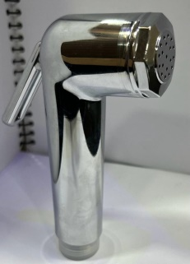 | 94
MILANO WHITE (HEX) | HF-016 |  | 76 | 140
MILANO BLACK | HF-017 |  | 82
CHROMA CP | HF-018 |  | 102
CHROMA WHITE | HF-019 |  | 85 | 145
FLORA | HF-020 |  | 100
FLORA NOZZLE | HF-021 | 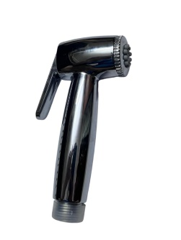 | 110
ECO | HF-022 | 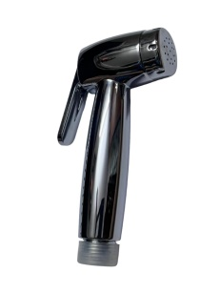 | 102

 | ABS HOOKS
 |  |  | PRICE | PRICE WITH SCREW(MS) &SLEEVE
ROUND | HK-01 | 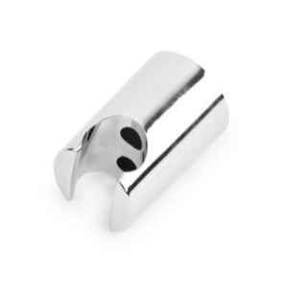 | 15 | 16.5
CLASSIC | HK-02 | 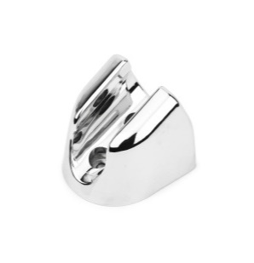 | 16 | 17.5
ROUND WHITE | HK-03 | 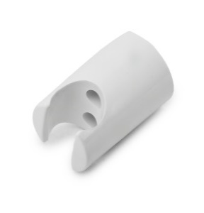 | 10 | 11.5
ROUND BLACK | HK-04 | 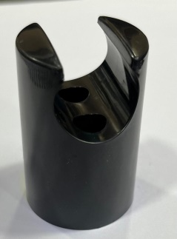 | 10 | 11.5

 | OVERHEAD SHOWERS
 |  |  | PRICE ONLY SHOWER | PRICE WITH 9" ABS ARM
BELL NOZZLE | OH-01 | 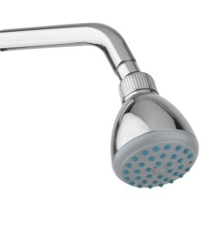 | 125 | 175
BELL FULL CP | OH-02 | 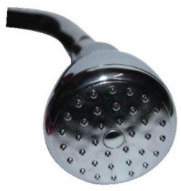 | 135 | 185
RAIN SHOWER 6*6 | OH-03 | 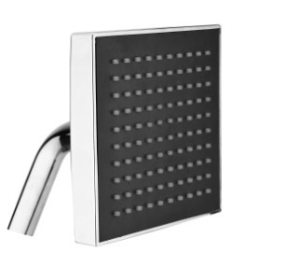 | 550(BOX PACK)

 |  | `

